Dashboard
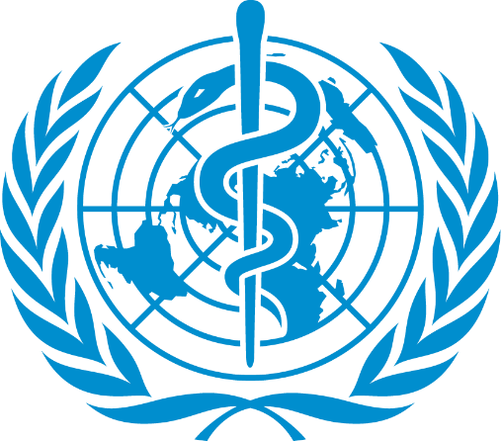
Data analysis On WHO Covid-19
Observation
From The Analysis, Highlight Trends Like Surges In Specific Regions, Declining Cases Due To Vaccination Or Emerging Variants Disperities In Healthcare Access And Vaccination Rates Contributes Or High Death Rates Or New Cases.
Recommendations
1. Enhance Vaccination Efforts: Prioritise Vaccine Distribution To Countries with Low Vaccination Rates And High Case Numbers To Reduce Transmission and Severe Outcome.
2. Strengthen Healthcare System: Support Countries With High Death-To-Confirmed Case Ratios By Providing Medical Supplies, Training, And Infrastructure Improvements.
3. Monitor Emerging Variants: Increase Genomic Surveillance To Detect and Respond To New Variants That May Evade Immunity Or Increase Transmission.
4. Public Health Campaigns: Promote Mask-Wearing, Social Distancing and Hygiene Practices in Regions Experiencing Surges In New Cases.
5. Data Transparency: Encourage All Countries To Report COVID-19 Data Accurately and Promptly To Enable Effective Global Response Efforts.
6. Targeted Support For High-Risk Countries: Provide Financial and Logistical Aid To Countries With The Highest Daily New Cases And Deaths To Curb Outbreaks.
By Implementing These Recommendations, The Global Community Can Better Manage The Pandemic and Mitigate Its Impact On Public Health and Economies.

Minimum Confirmed Cases
Western Sahaha 10
Sum Of Deaths
654,036
Total Confirmed Cases
16,480,485
Sum Of Recovery
9,468,087

Sum Of New And Active Cases
 | Sum of New cases | Sum of Active
Africa | 12176 | 270339
Americas | 129531 | 4027938
Eastern Mediterranean | 12410 | 251005
Europe | 22294 | 1094656
South-East Asia | 48993 | 637015
Trend Of Cases Over One Week
 | Sum of 1 week change | Sum of 1 week % increase
Argentina | 36642 | 28.02
Brazil | 323729 | 15.28
Colombia | 53096 | 26.03
Mexico | 46093 | 13.19
US | 455582 | 11.88
Total Number Of Recovered And Confirmed Cases
 | Sum of Recovered | Sum of Confirmed
Brazil | 1846641 | 2442375
Chile | 319954 | 347923
India | 951166 | 1480073
Russia | 602249 | 816680
US | 1325804 | 4290259

Country With The highest Death/100 Confirmed Cases
 | Total
Belgium | 14.79
France | 13.71
Italy | 14.26
United Kingdom | 15.19
Yemen | 28.56
Countries Experiencing The Highest Daily New Cases
 | Total
Brazil | 23284
Colombia | 16306
India | 44457
Peru | 13756
US | 56336
Sum Of New Deaths
 | Sum of New deaths | Sum of New cases
US | 1076 | 56336
India | 637 | 44457
Brazil | 614 | 23284
v

